Order Form
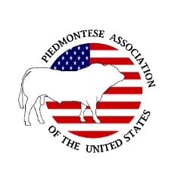
 | PAUS DNA TESTING REQUEST FORM
 |  | PLEASE SEND THIS PAGE TO THE PAUS OFFICE

 |  | Member Name: |  |  |  | HOLD ALL DNA SAMPLES UNTIL YOU RECEIVE AN ORDER MANIFEST FROM THE PAUS OFFICE WHICH WILL CONTAIN AN ORDER NUMBER. YOU WILL MAIL THE ORDER MAINFEST WITH YOUR DNA SAMPLES TO NEOGEN.
 |  | PAUS Member No.:
 |  | Email:
 |  | Phone;
 |  | Zip code

Sample Identifiers |  |  |  |  |  | REQUIRED TESTS FOR PAUS REGISTRATIONS |  |  |  | Optional Tests |  |  | SIRE and DAM are NEEDED for Parent Verification
 | Permanent ID or Tattoo (Herd Prefix + Number + Year Code) DO NOT USE EAR TAG | *Sample Number / Barcode | Animal Registration Number (when available) | Sex: M/F | Date of Birth | SNP Parentage + Myostatin combo test | SNP Only | Myostatin Only | STR Microsatellite (only if SNP parentage cannot be conducted) | Horn/Polled | BVD PI | Coat Color | DAM** Registration Number | Sire 1** Registration Number | Sire 2** Registration Number
Example | AB 123H | 123456789 | 87654 | M | 2022-01-01 | Yes |  |  |  |  | Yes |  | 107254 |  | 107253
1
2
3
4
5
6
7
8
9
10
11
12
13
14
15
 | * Barcode numbers are located on each individual hair card and blood card. TSU units will also have a number associated with each vial. Semen can just be listed as such. |  |  |  |  |  |  |  |  |  | ** Sire and/or Dam numbers must be entered for verification of parentage. Results will indicate if Sire and/or Dam have a SNP DNA profile in the Geneseek System.

Totals
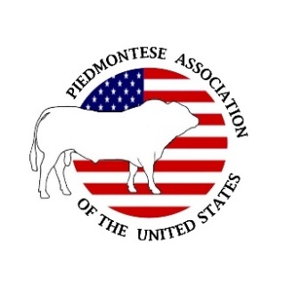

PAUS DNA TESTING PRICE LIST
This is a PAUS Members Only Cost Guide!
KEEP THIS PAGE FOR YOUR RECORDS ONLY
DO NOT MAIL OR SEND TO THE PAUS OFFICE
A PAUS invoice will be emailed out to you once your order is received at the PAUS office.
Prices on the actual invoice may be different, depending on the Type of DNA samples and the Testing requested.

 | Genomic Tests Requested | Price | x | Qty. | = | Total
Required Tests for Registration | Testing Options
 | SNP Parentage + Myostatin | $27.00 | x | 0 | = | $0.00
 | SNP Parentage Only | $15.00 | x | 0 | = | $0.00
 | Myostatin Only | $18.00 | x | 0 | = | $0.00
 | STR Microsatellite Parentage | $17.00 | x | 0 |  | $0.00
Optional Tests | Horned / Polled | $26.00 | x | 0 | = | $0.00
 | BVD PI | $6.50 | x | 0 | = | $0.00
 | Coat Color (red/black) | $13.00 | x | 0 | = | $0.00

 | Hair Processing Fee (add to all hair samples) | $4.00 | x | 0 |  | $0.00
 | Sample Retrival Fee (price for each) | $2.00 | x | 0 |  | $0.00

 |  |  | TOTAL |  | = | $0.00

Version 2022

